1. Title Page
Sales Insights

Project Name: Instacart Sales Insights
Date: 1/22/2024
Analyst Name: Samantha Ramos

Contents:
Population Flow
Consistency checks
Wrangling steps
Column derivations
Visualizations
Recommendations

Citation:
1. The Instacart Online Grocery Shopping Dataset 2017 via Kaggle on 1/01/24
2. Customers Dataset from CareerFoundry

2. Population Flow
Title page

Population flow

Exclusion flag
Condition: max_order < 5
Obervations to be removed: 1,440,295
Final total count of order_products_all: 30,964,564

Orders_products_combined
Orders_products_merged
Orders_products_all

Total: 32,434,489
Total: 30,328,763
Total: 32,404,859

1.) The grey boxes in the first row of the population flow represent the original data sets as they were when you downloaded them. In the Total fields you need to add the count of the rows when you imported the data set into Jupyter.
2.) The second row of boxes (coloured) represents the data sets after you manipulated them, e.g., removed missing values and duplicates. In the Total fields you need to add the count of the rows after conducting these operations. This offers a visual oveview of how the data flows throughout the data consistency checks.
3.) The third row, where also the arrows are coloured, represents the merges you performed between the datasets. In the Total fields you need to add the count of the rows in the merged datasets, so that you end up with the final dataset (in the red box). Keep in mind the final dataset should be without exclusions (based on the exclusion flag).

3. Consistency checks
 |  |  |  | Title page
Consistency checks

Dataset | Missing values | Missing values treatment | Duplicates
orders | 206209 | create new df w/o missing values | 0
products | 16 | create new df w/o missing values | 5
orders_products_prior | 0 | N/A | 0
customers | 11259 | create new df w/o missing values | 0

4. Wrangling steps
 |  |  |  | Title page
Wrangling steps

Columns dropped | Columns renamed | Columns' type changed | Comment/Reason
eval_set |  |  | unnecesary to analysis
_merge |  |  | unnecesary to analysis
Unnamed: 0.1 |  |  | unnecesary to analysis
Unnamed: 0 |  |  | unnecesary to analysis
first name |  |  | PII
surname |  |  | PII
 | orders_dow to orders_day_of_week |  | clarify column meaning
 | order_hour_of_day to order_hour |  | more concise
 | Surnam to Surname |  | spelling error
 | fam_status to marital_status |  | clarify column meaning
 |  | order_id | converted to string because it is not a numerical value
 |  | user_id | converted to string because it is not a numerical value
 |  | product_id | converted to string because it is not a numerical value

5. Column derivations
 |  |  |  | Title page

Column derivations and aggregations

Dataset | New column | Column/s it was derived from | Conditions
ords_prods_merge | max_order | user_id, order_number | If the maximum orders the user has made is over 40, then the customer will be labeled a “Loyal customer.”
 |  |  | If the maximum orders the user has made is over 10 but less than or equal to 40, then the customer will be labeled a “Regular customer.”
 |  |  | If the maximum orders the user has made is less than or equal to 10, then the customer will be labeled a “New customer.”
ords_prods_merge | user_avg_price | user_id, prices | If the mean of the prices of products purchased by a user is lower than 10, then flag them as a “Low spender.”
 |  |  | If the mean of the prices of products purchased by a user is higher than or equal to 10, then flag them as a “High spender.”
ords_prods_merge | med_order_freq | user_id, days_since_prior_order | If the median of “days_since_prior_order” is higher than 20, then the customer should be labeled a “Non-frequent customer.”
 |  |  | If the median is higher than 10 and lower than or equal to 20, then the customer should be labeled a “Regular customer.”
 |  |  | If the median is lower than or equal to 10, then the customer should be labeled a “Frequent customer.”

In this tab you should add tables below that the frequences of flags/label variables that you produced after deriving them. NB: don't do this for continuous variables, only for flags.

6. Visualizations
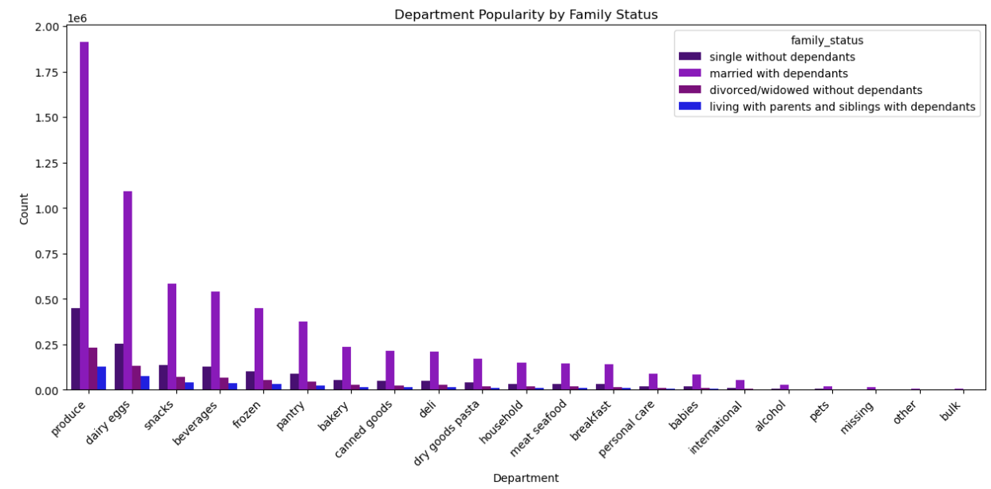
 |  | Title page

Visualisations

In this tab you should include all the visualtions from Exercises 4.9 and 4.10, alongside the questions from the project brief that they answer. Include any commentary on the relationship between different variables.

What are the busiest days of the week and hours of the day?
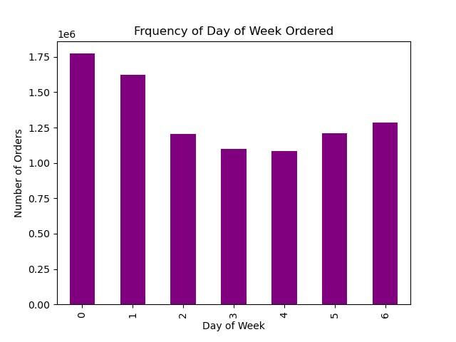
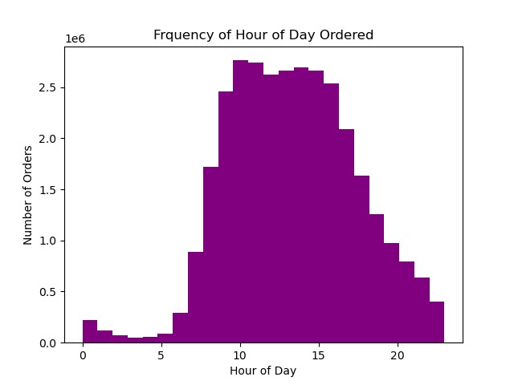

0-6 Correspond to Saturday - Friday, respectively
Most people shop over the weekend, with Saturday being the busiest day.
People tend to shop during the late morning/early afternoon with the peak hitting at 10am.

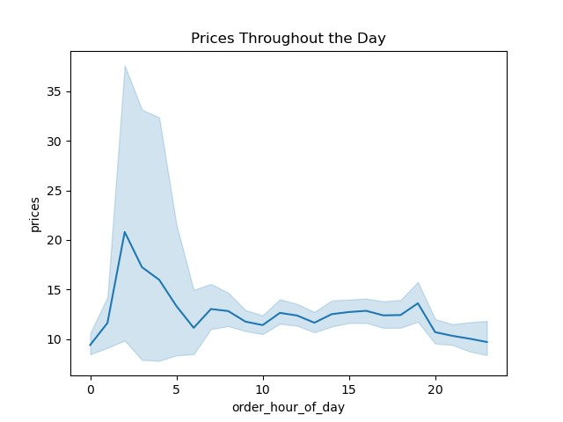
Are there particular hours of the day when people spend the most money?

Prices are at their peak at 2am. This is unexpected but could be the result of pre-ordering items to be delivered later in the day. Instacart is useful for people who are too busy to go to supermarkets and may have unconventional schedules.

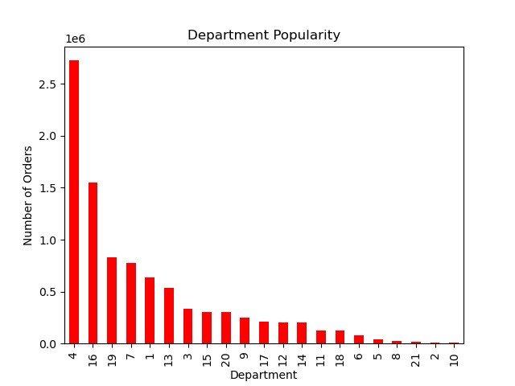
Are there certain types of products that are more popular than others?
 | department_id | name | number of orders
 | 4 | produce | 9,079,273
 | 16 | dairy eggs | 5,177,182
 | 19 | snacks | 2,766,406
 | 7 | beverages | 2,571,901
 | 1 | frozen | 2,121,731
 | 13 | pantry | 1,782,705
 | 3 | bakery | 1,120,828
 | 15 | canned goods | 1,012,074
 | 20 | deli | 1,003,834
 | 9 | dry goods pasta | 822,136
 | 17 | household | 699,857
 | 12 | meat seafood | 674,781
 | 14 | breakfast | 670,850
 | 11 | personal care | 424,306
 | 18 | babies | 410,392
 | 6 | international | 255,991
 | 5 | alcohol | 144,627
 | 8 | pets | 93,060
 | 21 | missing | 64,768
 | 2 | other | 34,411
 | 10 | bulk | 33,451

What's the distribution among users in regard to their brand loyalty? (i.e. how often do they return to Instacart)

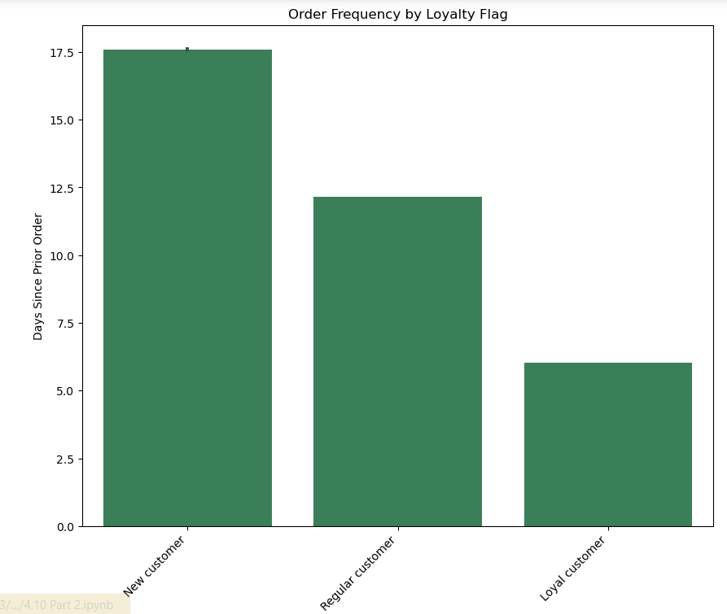
If the maximum orders the user has made is over 40, then the customer will be labeled a “Loyal customer.”
If the maximum orders the user has made is over 10 but less than or equal to 40, then the customer will be labeled a “Regular customer.”
If the maximum orders the user has made is less than or equal to 10, then the customer will be labeled a “New customer.”
Loyal customers place orders most frequently.

Are there differences in order habits based on a customer's loyalty status?
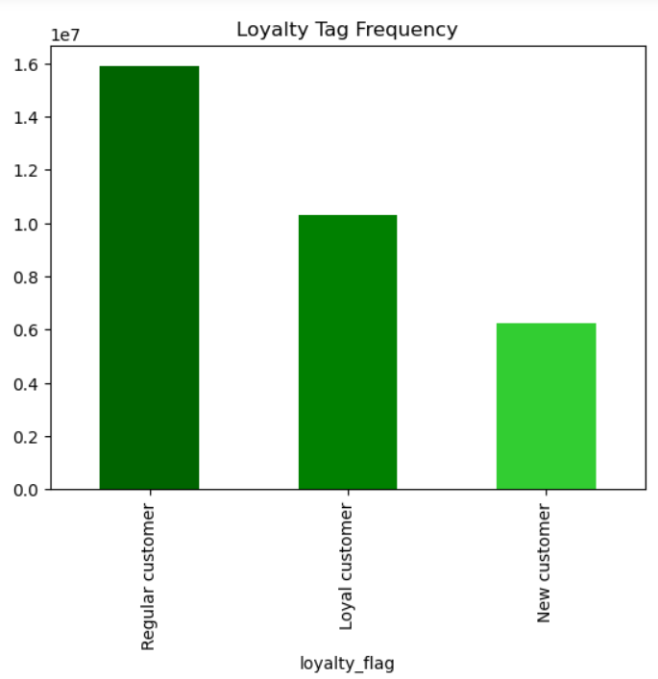

A majority of Instacart shoppers have placed between 10 and 40 orders.
This signfies that they might do their heavy shopping on Instacart and place
orders with local stores as needed.

Are there differences in order habits based on a customer's region?
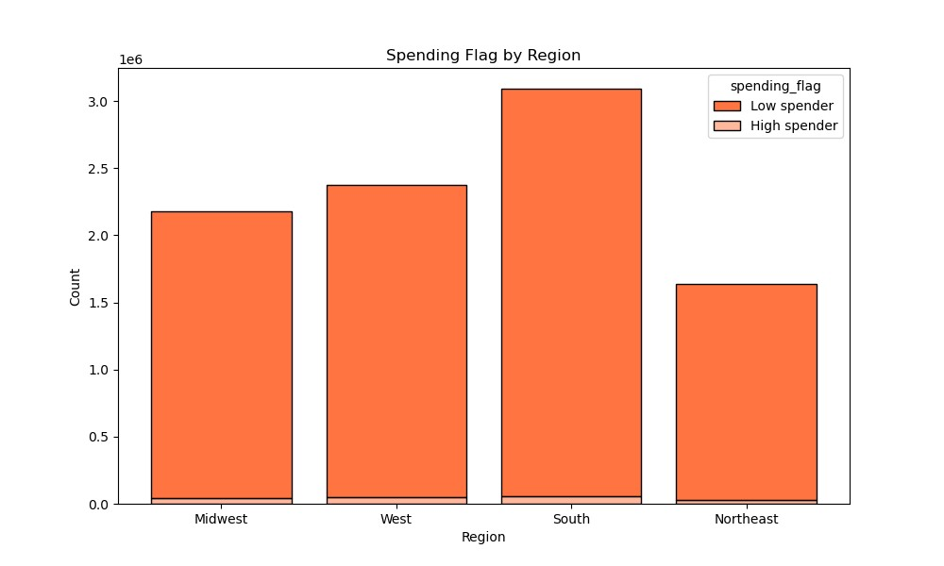

 |  | Region | Avg Orders Placed | Avg Price
 |  | Midwest | 17.60 | 12.68
 |  | Northeast | 17.92 | 11.54
 |  | South | 17.84 | 12.12
 |  | West | 17.97 | 11.28

If the mean of the prices of products purchased by a user is lower than 10, then flag them as a “Low spender.”
If the mean of the prices of products purchased by a user is higher than or equal to 10, then flag them as a “High spender.”
All regions have mostly low spenders, and the maximum of our low spenders are concentrated in the South.

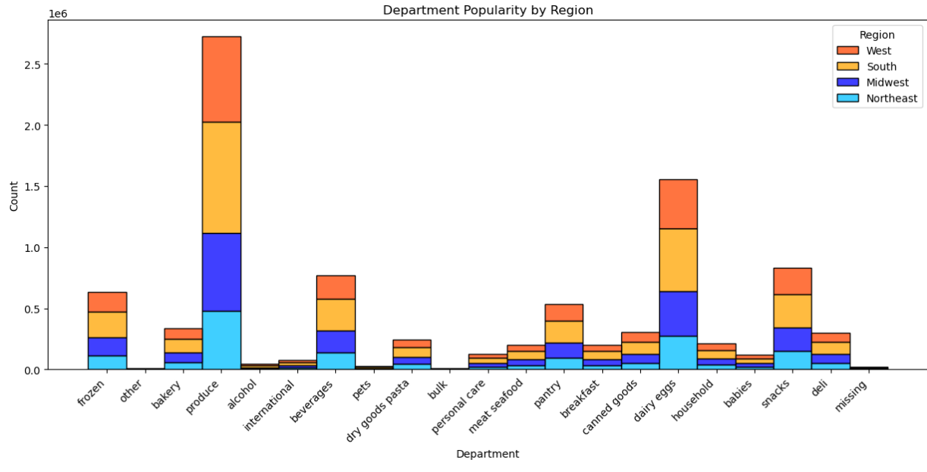
Department popularity remains consistent throughout all regions

Is there a connection between age and family habits in terms of ordering habits?
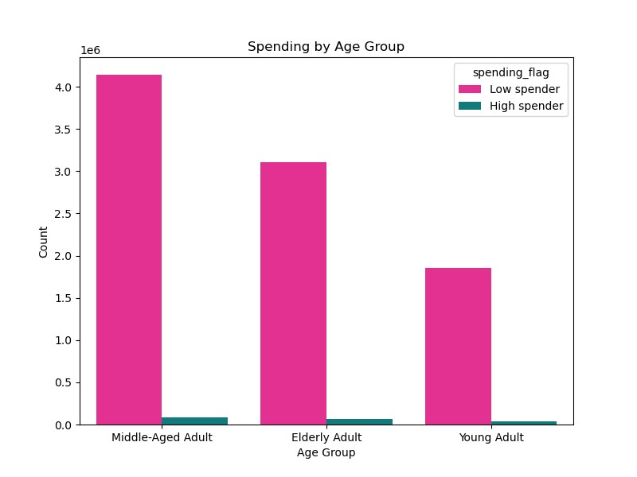

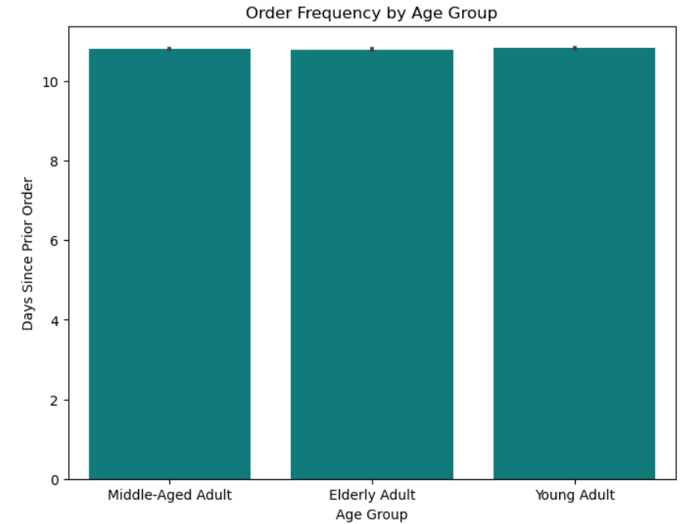
Middle Aged Customers (between 31 and 59) spend the most but all three cetegories
frquently purchase goods less than $10.
All age ranges share about the same frequency between shopping trips.

What different classifications does the demographic information suggest? Age? Income? Certain types of goods? Family status?
What differences can you find in ordering habits of different customer profiles? Consider the price of orders, frequency of orders, products customers are ordering, and anything else you can think of.

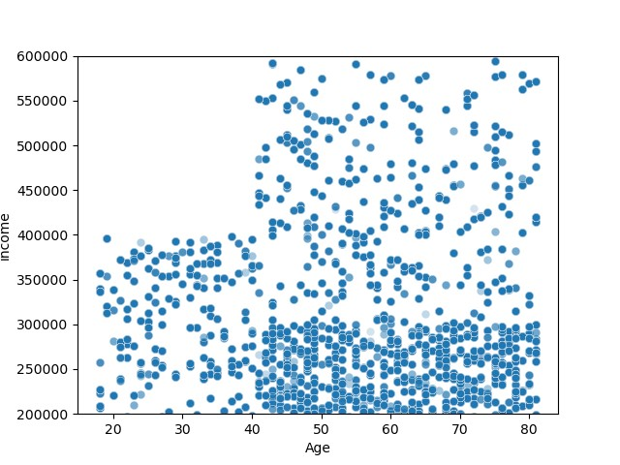
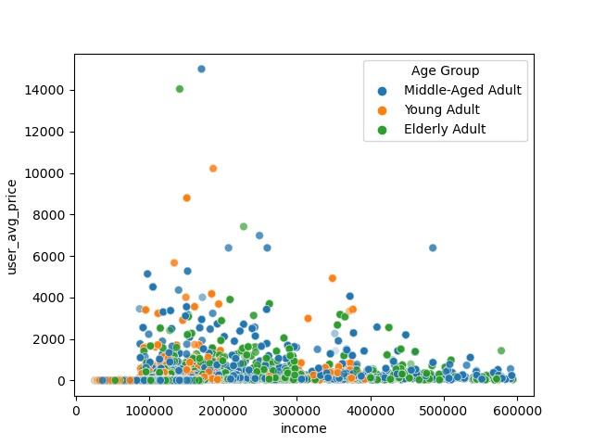

Older people tend to have higher income, but they do not
necesarily purchase more expensive products

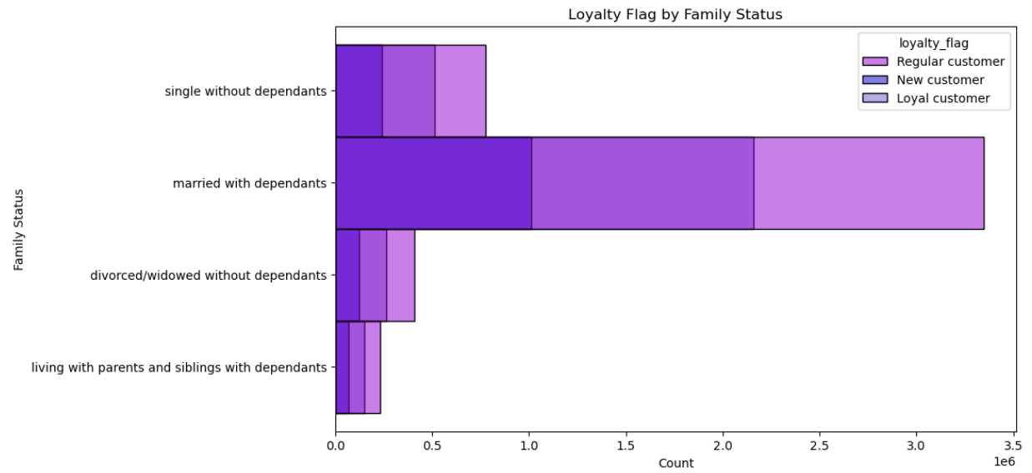

Our largest consumer are married people with dependents,
and their most popular department is produce.

7. Recommendations
 |  | Title page

Recommendations

In this tab you should include any recommendations you would made to Instcart in terms of their marketing strategy based on the questions posed in the brief. Every key question has been covered in the Tasks of the Exercises - here you need to add an item - a visualisation or table/crosstable that is showing the answer in the data, acompanied by a comment from you. Please, list the questions below and add the answer underneath.

Question | Answer
What are the busiest days of the week and hours of the day? | The busiest days of the week are Saturday and Sunday, and the busiest hours of the day are between 10am and 3 pm. Instacart should advertise deals on Friday night to get people motivated to use their services over the weekend.
Are there particular hours of the day when people spend the most money? | Prices are highest at 2am, which could be the result of restocking items. Generally, lower prices attract a wider audience so these prices may reflect goods that need to be purchased expeditiously.
Are there certain types of products that are more popular than others? | The top 3 sellers are produce, dairy/eggs, and snacks. Since there are fairly common goods, having regular promotions would entice shoppers to purchase from Instacart.
What's the distribution among users in regard to their brand loyalty? (i.e. how often do they return to Instacart) | New customers shop every 2.5 weeks, regular customers shop every 1.5 weeks, and loyal customers shop on a weekly basis.
Are there differences in order habits based on a customer's loyalty status? | Regular customers place the most orders, followed by loyal customers then new customers.
Are there differences in order habits based on a customer's region? | Our largest region is the South, but all regions have consistent spending and department trends. We should increase advertising in other regions to expand our reach.
Is there a connection between age and family habits in terms or ordering habits? | Our most prominent age group is middle aged (31-50). Their average price is less than $10 which is comparable to the younger and older counterparts. There is no significant time gap in order frequency based on age.
What different classifications does the demographic information suggest? Age? Income? Certain types of goods? Family status? | Older people tend to make more money than younger people but they do not purchase more expensive products.
What differences can you find in ordering habits of different customer profiles? Consider the price of orders, frequency of orders, products customers are ordering, and anything else you can think of. | Our most lucrative family status is married with dependents. There is no difference in loyalty status based on family type, but they do place the most orders.

